1. Title Page
[Customer Analysis]

Project Name: Instacart Customer Analysis
Date: 12/28/2023
Analyst Name: Christian Joel Morant

Contents:
Population Flow
Consistency checks
Wrangling steps
Column derivations
Visualizations
Recommendations

Data: "The Instacart Online Grocery Shopping Dataset 2017"
Source: www.instacart.com/datasets/grocery-shopping-2017 via Kaggle

2. Population Flow
Title page

Population flow

Exclusion flag
Condition: max_order <
Obervations to be removed:
Final total count of order_products_all:

Orders_products_combined
Orders_products_merged
Orders_products_all

Total: 32,404,859
Total: 32,434,489
Total: 32,404,859

1.) The grey boxes in the first row of the population flow represent the original data sets as they were when you downloaded them. In the Total fields you need to add the count of the rows when you imported the data set into Jupyter.
2.) The second row of boxes (coloured) represents the data sets after you manipulated them, e.g., removed missing values and duplicates. In the Total fields you need to add the count of the rows after conducting these operations. This offers a visual oveview of how the data flows throughout the data consistency checks.
3.) The third row, where also the arrows are coloured, represents the merges you performed between the datasets. In the Total fields you need to add the count of the rows in the merged datasets, so that you end up with the final dataset (in the red box). Keep in mind the final dataset should be without exclusions (based on the exclusion flag).

3. Consistency checks
 |  |  |  | Title page
Consistency checks

Dataset | Missing values | Missing values treatment | Duplicates
orders | There are 206209 missing values in the 'days_since_last_order' column. | The missing values cannot be eliminated due to it compromissing the dataset. Issue was resolved by replacing the missing values with the value '0'. | There are no duplicates identified.
products | There are 16 missing values in the 'product_name' column. | The issue was resolved by removing the missing values. | A total of 5 duplicate records were found in the products table. The isssue was resolved by eliminating the duplicate records.
orders_products_prior | There are no missing values identified. | There are no missing values to correct. | There are no duplicates identified.
customers | There are no missing values identified. | There are no missing values identified. | There are no duplicates identified.

4. Wrangling steps
 |  |  |  | Title page
Wrangling steps

Columns dropped | Columns renamed | Columns' type changed | Comment/Reason
eval_set' |  |  | Column was identified as not useful.
 | order_dow' |  | Column was renamed to 'orders_day_of_week'.
 |  | order_id' | Columns data type was changed to the string data type.
 |  | 'user_id' | Columns data type was changed to the string data type.
 | days_since_prior_order' |  | Column was renamed to 'days_since_last_order'.
_merge' |  |  | Column was created to verify results from a inner join merge. Column was dropped afterwards since it provided no other use.
busiest_day' |  |  | Column was dropped for another column with a similar use.
 | FirstName' |  | Column was renamed to 'first_name'. The column name wasn’t in the appropriate format and needed to be changed.
 | Surnam' |  | Column was renamed to 'surname'. The column name was mispelled and needed to be corrected.
 | 'Gender' |  | Column was renamed to 'gender'. The column name was capitalized and needed to be changed.
 | STATE' |  | Column was renamed to 'state'. The column name was capitalized and needed to be changed.
 | n_dependants' |  | Column was renamed to 'number_of_dependants'. The column name was changed to be more descriptive and follow the right format.
 | fam_status' |  | Column was renamed to 'family_status'. The column name was changed to be more descriptive.
 | Age' |  | Column was renamed to 'age. The column name was captilized and needed to be changed.
 |  | 'user_id' | Columns data type was changed to the string data type.
 |  | first_name' | Columns data type was changed to the string data type.
first_name' |  |  | Column was dropped due to it containing personally identifiable information.
surname' |  |  | Column was dropped due to it containing personally identifiable information.
 | 'Unnamed: 0' |  | Column was renamed to 'department_id'. The column was renamed to give the column use.

5. Column derivations
 |  |  |  | Title page

Column derivations and aggregations

In this tab you should add tables below that the frequences of flags/label variables that you produced after deriving them. NB: don't do this for continuous variables, only for flags.
Dataset | New column | Column/s it was derived from | Conditions
ords_prods_merge.pkl' | price_label' | prices' | if row['prices'] <= 5: return 'Low-range product' elif (row['prices'] > 5) and (row['prices'] <= 15): return 'Mid-range product' elif row['prices'] > 15: return 'High range' else: return 'Not enough data'
ords_prods_merge.pkl' | price_range_loc' | prices' | df_ords_prods.loc[df['prices'] > 15, 'price_range_loc'] = 'High range product' df_ords_prod.loc[df['prices'] > 15, 'price_range_loc'] = 'High range product' df_ords_prod.loc[(df['prices'] <= 15) & (df['prices'] > 5), 'price_range_loc'] = 'Mid range product' df_ords_prod.loc[df['prices'] <= 5, 'price_range_loc'] = 'Low range product'
ords_prods_merge.pkl' | busiest_day' | orders_day_of_week' | for value in df_ords_prods["orders_day_of_week"]: if value == 0: result.append("Busiest day") elif value == 4: result.append("Least busy") else: result.append("Regularly busy")
ords_prods_merge.pkl' | busiest_days' | orders_day_of_week' | for value in df_ords_prods["orders_day_of_week"]: if (value == 0) or (value == 1): result.append("Busiest days") elif (value == 4) or (value == 3): result.append("Least busy days") else: result.append("Regularly busy")
ords_prods_merge.pkl' | busiest_period_of_day' | order_hour_of_day' | for value in df_ords_prods["order_hour_of_day"]: if ((value > 8) and (value < 17)): result.append("Most orders") elif ((value >= 0) and (value <7)) or (value == 23): result.append("Fewest orders") else: result.append("Regularly busy")
ords_prods_merge.pkl' | loyalty_flag' | max_order' | ords_prods_merge.loc[ords_prods_merge['max_order'] > 40, 'loyalty_flag'] = 'Loyal customer' ords_prods_merge.loc[(ords_prods_merge['max_order'] <= 40) & (ords_prods_merge['max_order'] > 10),'loyalty_flag'] = 'Regular customer' ords_prods_merge.loc[ords_prods_merge['max_order'] <= 10, 'loyalty_flag'] = 'New customer'
ords_prods_merge.pkl' | spending_flag' | average_price' | ords_prods_merge.loc[ords_prods_merge['average_price'] < 10,'spending_flag'] = 'Low spender' ords_prods_merge.loc[ords_prods_merge['average_price'] >= 10, 'spending_flag'] = 'High spender'
ords_prods_merge.pkl' | order_frequency_flag' | median_orders' | ords_prods_merge.loc[ords_prods_merge['median_orders'] > 20, 'order_frequency_flag'] = 'Non-frequent customer' ords_prods_merge.loc[(ords_prods_merge['median_orders'] > 10) & (ords_prods_merge['median_orders'] <= 20), 'order_frequency_flag'] = 'Regular customer' ords_prods_merge.loc[ords_prods_merge['median_orders'] <=10, 'order_frequency_flag'] = 'Frequent customer'
instacart_data.pkl' | region_flag' | state' | Northeast = ['Maine','New Hampshire','Vermont','Massachusetts','Vermont','Rhode Island','Connecticut','New York','Pennsylvania','New Jersey'] Midwest = ['Wisconsin','Michigan','Illinois','Indiana','Ohio','North Dakota','South Dakota','Nebraska','Kansas','Minnesota','Iowa','Missouri'] South = ['Delaware','Maryland','District of Columbia','Virginia','West Virginia','North Carolina','South Carolina','Georgia','Florida','Kentucky','Tennessee','Mississippi','Alabama','Oklahoma','Texas','Arkansas','Louisiana'] West = ['Idaho','Montana','Wyoming','Nevada','Utah','Colorado','Arizona','New Mexico','Alaska','Washington','Oregon','California','Hawaii'] df_instacart.loc[df_instacart['state'].isin(Northeast),'region_flag'] = 'Northeast' df_instacart.loc[df_instacart['state'].isin(Midwest),'region_flag'] = 'Midwest' df_instacart.loc[df_instacart['state'].isin(South),'region_flag'] = 'South' df_instacart.loc[df_instacart['state'].isin(West),'region_flag'] = 'West'
instacart_data.pkl' | user_activity' | max_order' | df_instacart.loc[df_instacart['max_order'] < 5, 'user_activity'] = 'Low activity' df_instacart.loc[df_instacart['max_order'] >= 5, 'user_activity'] = 'active'
instacart_data.pkl' | dependant_status' | number_of_dependants' | df_merge.loc[df_merge['number_of_dependants'] <= 0, 'dependant_status'] = 'No dependants' df_merge.loc[df_merge['number_of_dependants'] > 0, 'dependant_status'] = 'Has dependants'
instacart_data.pkl' | age_group' | age' | df_merge.loc[(df_merge['age'] >= 18) & (df_merge['age'] <= 33), 'age_group'] = '18 to 33 years' df_merge.loc[(df_merge['age'] >= 34) & (df_merge['age'] <= 49), 'age_group'] = '34 to 49 years' df_merge.loc[(df_merge['age'] >= 50) & (df_merge['age'] <= 65), 'age_group'] = '50 to 65 years' df_merge.loc[(df_merge['age'] >= 66) & (df_merge['age'] <= 81), 'age_group'] = '66 to 81 years'
instacart_data.pkl' | income_level' | income' | df_merge.loc[df_merge['income'] <= 67004, 'income_level'] = 'Low income' df_merge.loc[(df_merge['income'] > 67004) & (df_merge['income'] < 127912), 'income_level'] = 'Average income' df_merge.loc[df_merge['income'] >= 127912, 'income_level'] = 'High income'
instacart_data.pkl' | 'customer_profile_1' | age_group', 'family_status', and 'dependant_status' | df_merge.loc[(df_merge['age_group'] == '18 to 33 years') & (df_merge['family_status'] == 'married') & (df_merge['dependant_status'] == 'Has dependants'), 'customer_profile_1'] = 'Married young adult' df_merge.loc[(df_merge['age_group'].isin(['34 to 49 years','50 to 65 years'])) & (df_merge['family_status'] == 'married') & (df_merge['dependant_status'] == 'Has dependants'), 'customer_profile_1'] = 'Married adult' df_merge.loc[(df_merge['age_group'] == '66 to 81 years') & (df_merge['family_status'] == 'married') & (df_merge['dependant_status'] == 'Has dependants'), 'customer_profile_1'] = 'Married old adult' df_merge.loc[(df_merge['age_group'] == '18 to 33 years') & (df_merge['family_status'] == 'living with parents and siblings') & (df_merge['dependant_status'] == 'Has dependants'), 'customer_profile_1'] = 'Single young adult w/ dependants' df_merge.loc[(df_merge['age_group'] == '18 to 33 years') & (df_merge['family_status'] == 'single') & (df_merge['dependant_status'] == 'No dependants'), 'customer_profile_1'] = 'Single young adult w/o dependants' df_merge.loc[(df_merge['age_group'].isin(['34 to 49 years','50 to 65 years'])) & (df_merge['family_status'].isin(['divorced/widowed','single'])) & (df_merge['dependant_status'] == 'No dependants'), 'customer_profile_1'] = 'Single adult' df_merge.loc[(df_merge['age_group'] == '66 to 81 years') & (df_merge['family_status'].isin(['divorced/widowed','single'])) & (df_merge['dependant_status'] == 'No dependants'), 'customer_profile_1'] = 'Single old adult'

6. Visualizations
 |  |  |  | Title page

Visualisations

In this tab you should include all the visualtions from Exercises 4.9 and 4.10, alongside the questions from the project brief that they answer. Include any commentary on the relationship between different variables.


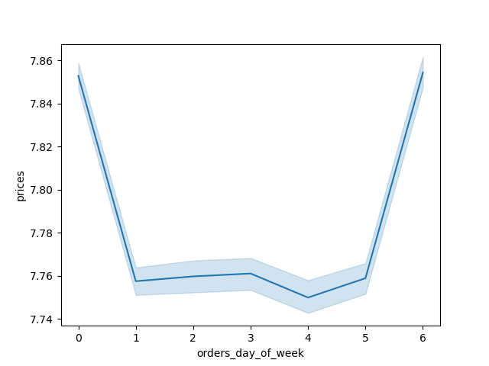


 | 0 - Saturday 1 - Sunday 2 - Monday 3 - Tuesday 4 - Wednesday 5 - Thursday 6 - Friday |  |  | 0 - Saturday 1 - Sunday 2 - Monday 3 - Tuesday 4 - Wednesday 5 - Thursday 6 - Friday

The above bar chart show cases the frequency of orders placed during each day of the week. The number in the x axis represent a day of the week starting from Saturday and ending on Sunday. The chart indicates that the highest orders are placed on the weekend, with Saturday being the highest day for orders placed. |  | The above histogram displays the frequency of all prices of the products sold. Customers have a strong preference for product priced under $15.00. | The above line chart illustrates changes in order prices throughout the week. We can see that order prices are stagnant during the weekdays, while the weekend order prices see a significant increase in expense.


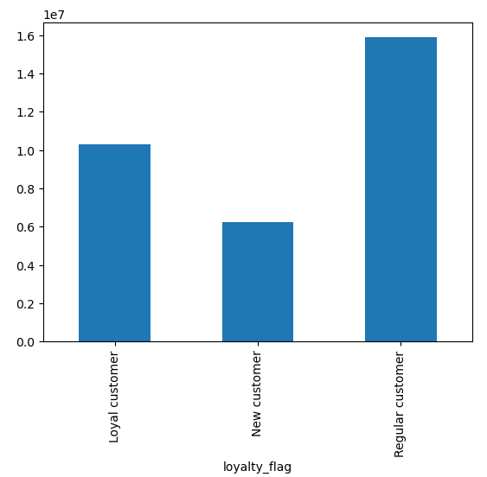


The above histogram showcases the order frequency for every hour of the day. We can see that the most active hours for orders are between 9am and 5pm, with the lowest orders being placed between 12am and 6am. Orders start to pile up from 6am to 9pm, and then gradually declines from 5pm onwards. |  |  | The above line chart illustrates the changes in order prices during the different hours of the day. We can see that there isnt a consistent trend with which hours orders are more expensive. The highest order price interval is between 2am and 4am, while the lowest interval is between 9am and 11am.
 |  | The above bar chart illustrates and compares the frequency of customers by brand loyalty. We can see that highest amount of instacart customers are regular customers, while the lowest amount are new customers.


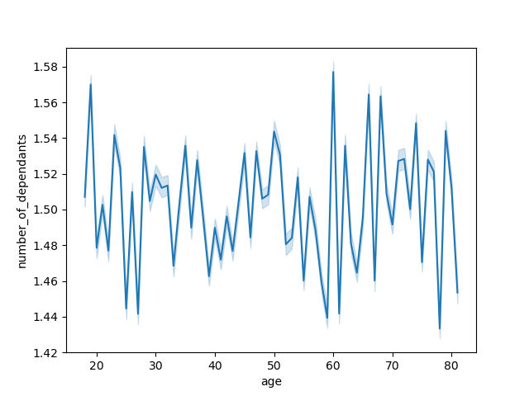

The above line chart illustrates the relationship between a customers family situation and their age. The results showcase that there is no correlation between the two variables. |  | The above scatterplot shows that most of the income concentration from all ages range between 0 and 200,000 dollars. The second highest age group cluster is between 40 and 80 years over with an income range between 200,000 and 300,000 dollars. A smaller age group between the of ages 20 and 40 years have an income range between 300,000 to 400,000 dollars.

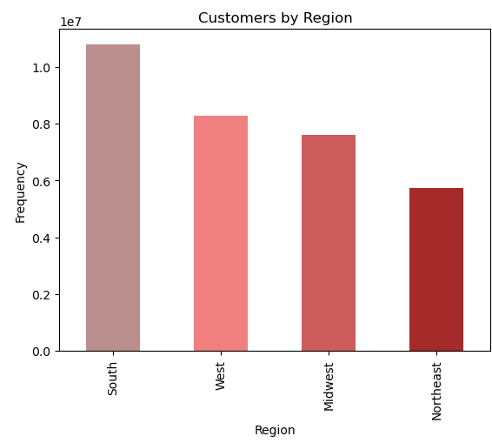
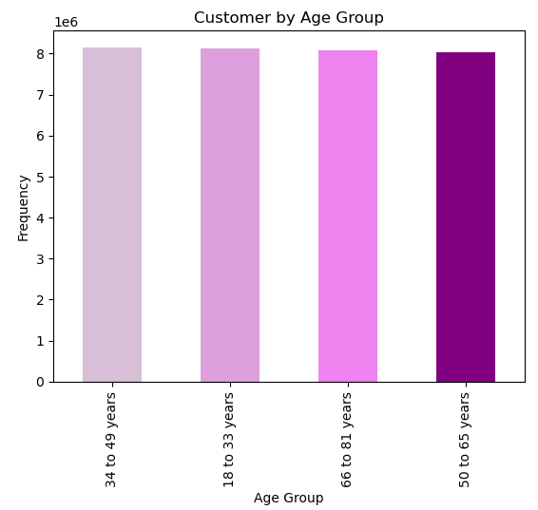
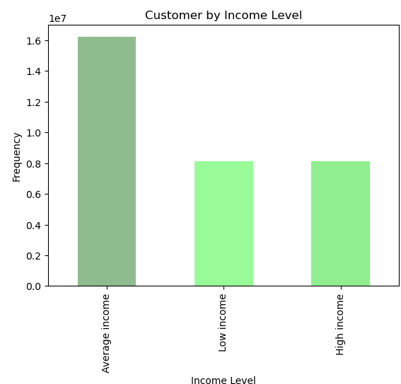
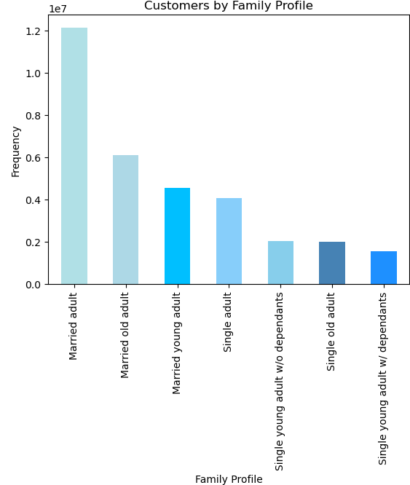

The above bar chart illustrates and compares the amount of instacart customers in each U.S. region. The south region has the highest amount of customers, followed by the west region, then midwest region. The northeast region has the least amount of customers. |  | The above bar chart illustrates and compares instacart customers by age group. All four age groups have a similar amount of customers. | The above bar chart illustrates instacart customers by income level. The highest amount of instacart customers have an average income. There are an almost equal amount of customers with low income and high income.

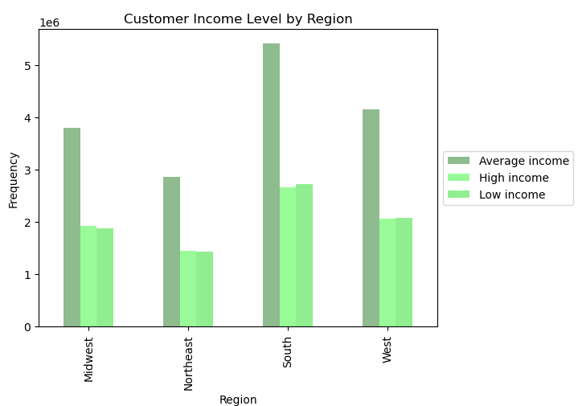
 |  |  |  |  | The above bar chart illustrates and compares instacart customers by their family profile. This profile takes into account a customers family status, their age group, and if they are living with dependants. The highest amount of customers are married adults followed by married old adults and married young adults. The lowest amount of customers are single old adults and single young adults both with and without dependants.
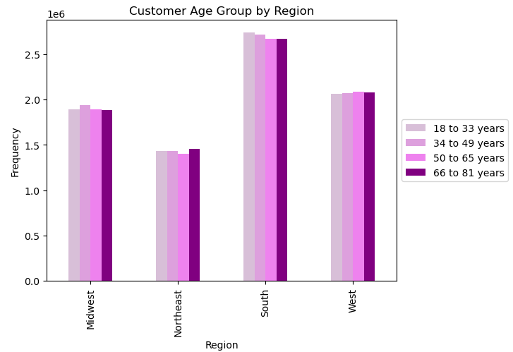
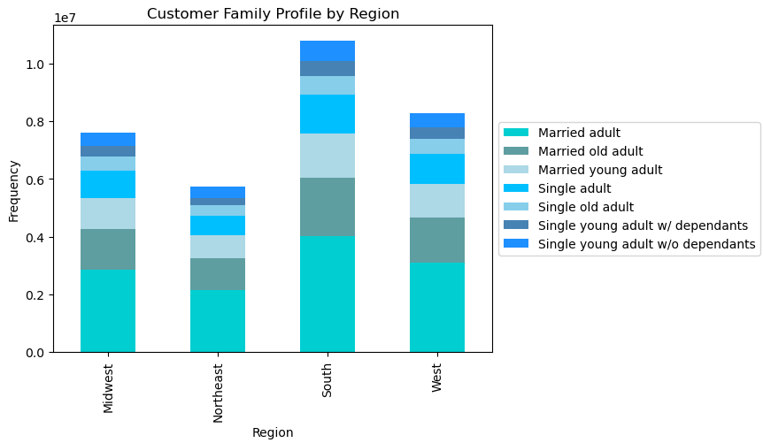

The above bar chart illustrates and compares customers age groups and their region. All regions have a similar equal distribution of age groups. Customers belonging to the 18 to 33 year age group are predominant in the south, customers belonging to the 34 to 49 age group are predominant in the midwest, customers belonging to 50 to 65 year age group are predominant in the west, and customers belonging to the 66 to 82 age group are predominant in the northeast. |  | The above bar chart illustrates and compares customers income level by region. Average income level customers are dominant in each region, while low income and high income customers are still have a similar presence in each region. | The above stacked bar chart illustrates and compares the amount of customers family profile by region. Married adults are still the most dominant customer profile group in all regions, with the other two married groups having the second and third most amount of customers in each region.
e

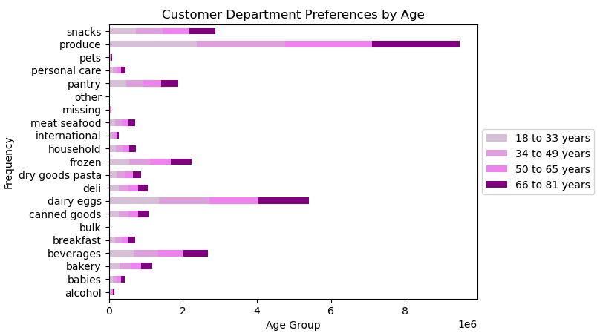
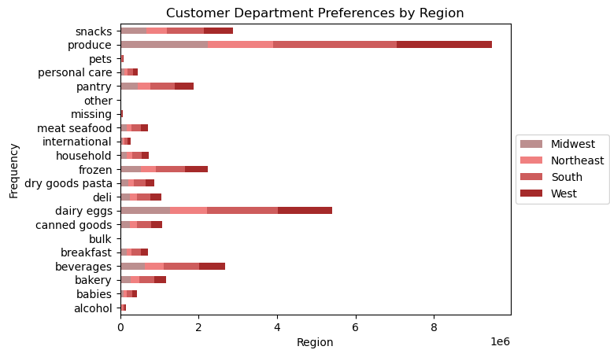
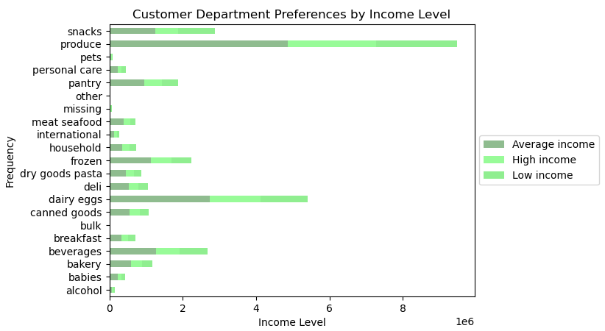
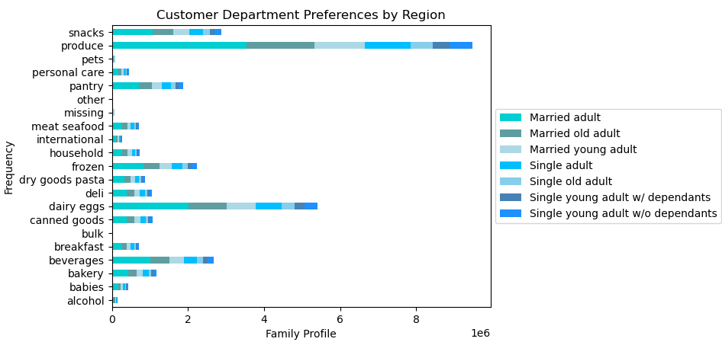

The above bar chart illustrates and compares customer product preference by department in each region. The most popular product type are produce products, followed by dairy eggs and then snacks and beverages. The south region has the most amount of customers in the top 3 prefered products. |  | The above bar chart illustrates and compares customer products preference by department in each age group. All age groups have an equal amount of preference for products within each category. | The above bar chart illustrates and compares customer product preference by department for each income level group. Average income level customers still make up the most amount of income level group in each category. With the exception of snacks, customer with low and high income levels have similar distribution for each department product. Snacks are slightly more prefered by income level customers than high income customers. |  | The above chart illustrates and compares customers product preference by department for each family profile group. Married adults make up the most amount of prefered product in each deparment product. Married adults old adults, married young adults and single are the next most frequent customer groups within each prefered department category.

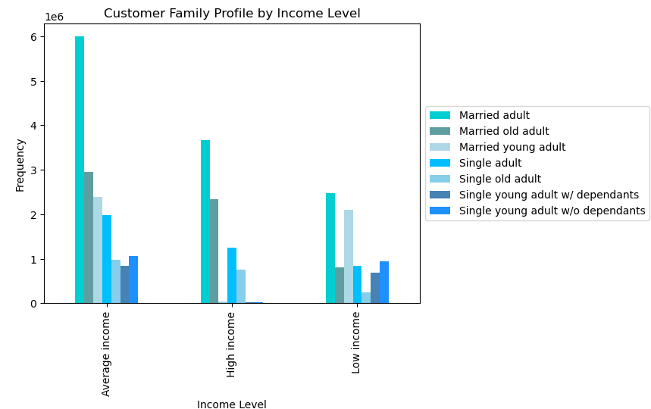

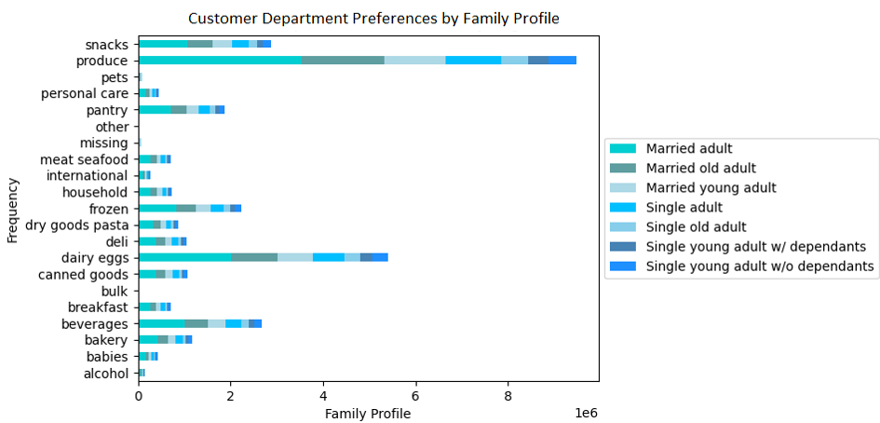

The above barchart illustrates and compares customers family profile by income level. Married adults are the most frequent family profile group among all income levels. The high income group has more married old adults, single adults and single old adults than the low income group. Meanwhile there are more married young adults, and single young adults with and without dependants in the low income group than there are in the high income group. This suggestst that customers belonging to an older age group have more expendable income, while customers belonging to younger groups have less income available for purchase.

7. Recommendations
 |  |  | Title page

Recommendations

In this tab you should include any recommendations you would made to Instcart in terms of their marketing strategy based on the questions posed in the brief. Every key question has been covered in the Tasks of the Exercises - here you need to add an item - a visualisation or table/crosstable that is showing the answer in the data, acompanied by a comment from you. Please, list the questions below and add the answer underneath.

Question | Answer | Visual
Key Question 1: The sales team needs to know what the busiest days of the week and hours of the day are (i.e., the days and times with the most orders) to schedule ads at times when there are fewer orders. | The most frequent days for customer orders occur during the weekend, with Saturday having the highest order frequency. The most active hours for orders are between 9am and 5pm, with the lowest orders being placed between 12am and 6am. Instacart should focus on placing adds during the after store hours, especially during the 12am and 6am period where orders are at their lowest.
Key Question 2: The sales team want to know whether there are times of the day when people spend the most money, as this might inform the type of products they advertise at these times. | The time of day when customers tend to place high price orders is around 2am to 4am, while the lowest price orders happen between 9am to 10 am. Ads for expensive items should be placed around the 2am to 4am period.
Key Question 3: Instacart has a lot of products with different price tags. Marketing and sales want to use simpler price range groupings to help direct their efforts. | The most frequent prices from product orders are between $2.00 and $15.00. Most products should have their productst fixed to the previous price interval.
Key Question 4: Are there certain types of products that are more popular than others? The marketing and sales teams want to know which departments have the highest frequency of product orders. | The departments with the highest amount of order placements are the produce, dairy and eggs, and snack products.
Key Question 5: What’s the distribution among users regarding their brand loyalty (i.e., how often do they return to Instacart)? | The highest amount of instacart are regular customers, whom almost make about half of total customers. Loyal customers have the second highest frequency.
Key Question 6: Are there differences in ordering habits based on a customer’s region? | There are no significant difference in customers ordering habbits based on region. The south region has the highest frequency in each department product, while the northeast region has the lowest frequency in each department product.
Key Question 7: Is there a connection between age and family status in terms of ordering habits? | There are is no correlation between a customers age and family situation when it comes to ordering habbits.

